research








Figure XX: Words in the same sentence as "research"

activi



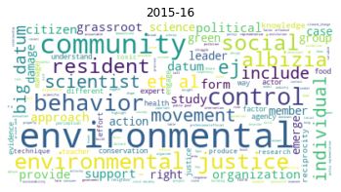
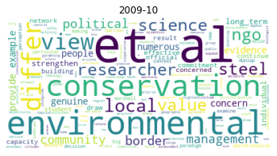



Figure XX: Words in the same sentence as "actvism" or "activist"

